1. Title Page
Grocery Basket Analysis

Project Name: Instacart Grocery Basket Analysis
Date:18.03.2024
Analyst Name: Gal-Erdene Gantulga

Contents:
Population Flow
Consistency checks
Wrangling steps
Column derivations
Visualizations & Recommendations

Citation:
“The Instacart Online Grocery Shopping Dataset 2017”,
Accessed from www.instacart.com/datasets/grocery-shopping-2017 via Kaggle on <date>.
Note: Instacart is a real company that’s made their data available online. However, some of customer data and prices were fabricated

2. Population Flow
Title page

Population flow

Exclusion flag
Condition: max_order < 5
Obervations to be removed: 7989982
Final total count of order_products_all: 24414877

Orders_products_combined
Orders_products_merged
Orders_products_all

Total: 32434489 rows, 10 columns
Total: 32404859 rows, 32 columns
Total: 32404859 rows, 14 columns

3. Consistency checks
 |  |  |  | Title page
Consistency checks

Dataset | Missing values | Missing values treatment | Duplicates
orders | day_since_last_order: 206209 | since they were the first orders for each customer. It couldn’t have orders before it. We left as it is. | none
products | product_name: 16 | removed 16 rows, created new df | 5 rows removed
orders_products_prior | none | none | none
ords_prods_merge | none | none | none
customers | first_name: 11,259 | due to PII columns containing personal information will be dropped | none
departments | none | none | none

4. Wrangling steps
 |  |  |  | Title page
Wrangling steps

Columns dropped | Columns renamed | Columns' type changed | Comment/Reason
orders eval_set column dropped |  |  | eval set not needed
 | orders column 'order_dow' renamed 'order_day_of_week' |  | clarity
 |  | orders 'order_id', 'user_id' changed from number>string | the data in these columns are text
 | Customer 'Surnam' to 'last_name', 'First Name' to 'first_name', 'Gender' to 'gender', 'STATE' to 'state', 'Age' to 'age', 'n_dependants' to 'number_of_dependants', fam_status' to 'family_status' |  | data integrity and clarity
 |  | customer 'date_joined' from object>datetime, 'family_status' and 'state' to category | decrease memory size
Customer columns 'First Name' and 'Last Name' dropped |  |  | Personal Information

5. Column derivations
 |  |  |  |  | Title page

Column derivations and aggregations

Dataset | New column | Column/s it was derived from | Conditions
ords_prods_merge | busiest_days | orders_day_of_week | Busiest days: order day of week is Sunday and Monday Regularly busy: order day of week is Tuesday, Friday and Saturday Least busy: order day of week is Wednesday, Thursday
ords_prods_merge | busiest_period_of_day | order_hour_of_day | most orders: 8 <= order hour <= 18 average orders: 19 <= order hour <=23, 7 least orders: 24<= order hour <=6
ords_prods_merge | loyalty_flag | max_order | New customer: max order <= 10 Regular customer: > 10 and <= 40 Loyal customer: max order > 40
ords_prods_merge | spender_flag | average_spend | high spender: spending mean >= 10 low spender: spending mean < 10
ords_prods_merge | order_frequency_flag | customer_frequency | non-frequent customer: x ist > 20 regular customer: x ist <= 20 and > 10 frequent customer: x ist < = 10 x = median of each users 'day_since_prior_order'
df_complete | region | state | state within geographical region defined by US Census Bureau
df_complete | low_activity | order_number | order number < 5
df_comp | shopping_behavior | order_hour_of_day | early_bird: between 5am & 8am night_owl: between 9pm & 5am regular: rest
df_comp | age_group | age | Young_adult: under 39 Middle_adult: between 40 & 64 Old: 65 above
df_comp | income_range | family_status, income | single, low-income: fam_status = 'single', 'divorced/widowed', or 'living with parents and siblings' and income <= 35000 single, middle-income: fam_status = 'single', 'divorced/widowed', or 'living with parents and siblings' and income > 35000 and <= 80000 single, high-income: fam_status = 'single', 'divorced/widowed', or 'living with parents and siblings' and income > 80000 married, low-income: fam_status = 'married' and income <= 70000 married, middle-income: fam_status = 'married' and income > 70000 and <= 140000 married, high-income: fam_status = 'married' and income > 140000 | 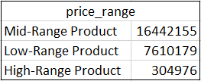
df_comp | price_range | prices | Low-range product Mid-range product High-range product

6. Visuals & Recommendations
Title page

Visualisations & Recommendations

Question 1: Identifying Busiest Days and Hours


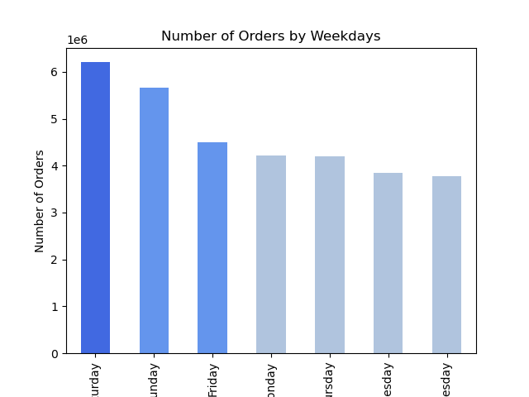

1. Peak Hours are from 10am to 4pm.
2. Most Orders are made at 10am and 11am.
3. Off Peak Hours are from 12am to 5am.
1. Saturdays and Sundays are when the MOST amount of orders occur.
2. Tuesdays and Wednesdays are when the LEAST amount of orders occur.

- To utilize peak hours on a peak days, run a special promotions or flash sales to maximize engagement.
- Push more ads on slower weekdays, to reach potential customers with less competition.
- Schedule ads late at night or early morning (midnight to 6 a.m.) for better visibility during less busy times.

Question 2: Simplifying Price Range Groupings

Distribution of Product Price Range
Mid-Range Product | 16442155
Low-Range Product | 7610179
High-Range Product | 304976

- Concentrate the most of the marketing on mid-range products, as they constitute the majority, while creating small campaigns for low and high-range products.
- Increase the visibility and availablity of the High-range products, emphasizing quality and luxury to target high-end consumers.

Question 3: Popular Product Categories

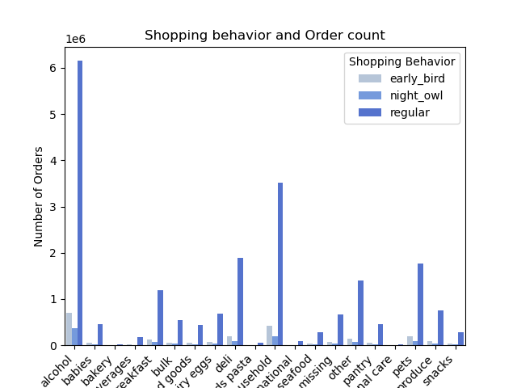

- To boost sales allocate marketing resources to 'Produce', 'Pets' and 'Breakfast' departments, for example bundling less popular departments to get more attraction.
- Product placement of lower-performing departments should be reviewed, both in-store and online, to enhance visibility.

Question 4: Customer Loyalty Analysis

Distribution of Customers Loyalty
Regular customer | 15876776
Loyal customer | 10284093
New customer | 6243990
Distribution of Mid-, High-activity Customers
Regular customer | 12712846
Loyal customer | 9537205
New customer | 2107259

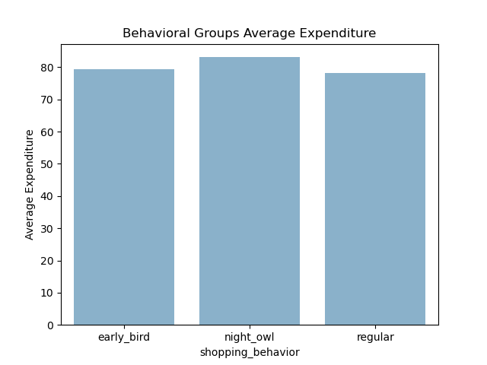
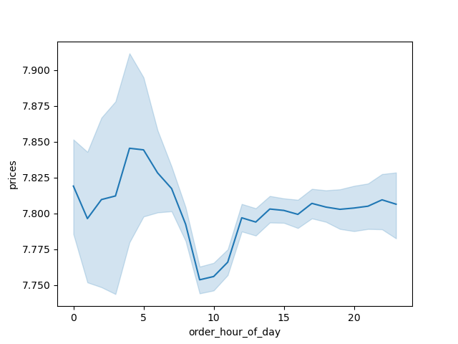

- Prioritize loyal customers with loyalty programs and personalized offers to maintain their high spending.
- Implement strategies to convert regular customers into loyal ones through targeted promotions and incentives.
- Offer welcome incentives for new customers to encourage repeat purchases and foster brand loyalty.

Question 5: Regional Ordering Habits

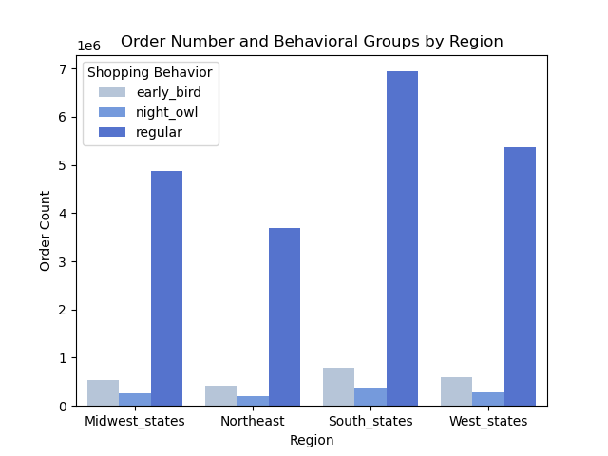
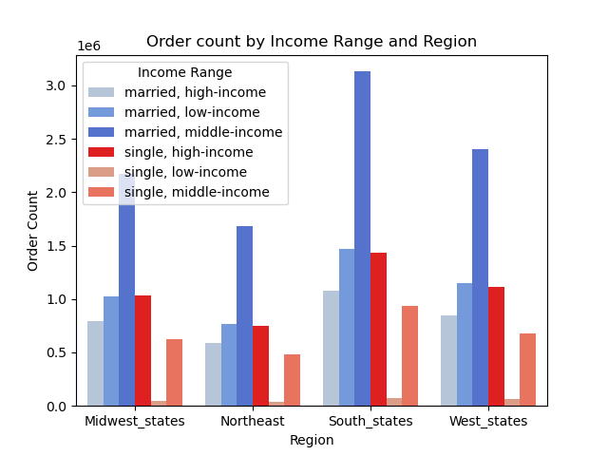

- Standardize marketing strategies across regions, focusing on consistent aspects such as time-sensitive promotions.
- Monitor emerging regional trends and adapt strategies accordingly.

Question 6: Demographic Influence on Ordering



Customer Age Distribution
Middle_Adult: 40 -64 | 9514903
Young_adults: >=39 | 8398887
Old: 65<= | 6443520

- Segment customers based on income levels and tailor marketing strategies accordingly.
- Ensure inclusivity in marketing campaigns, considering age, family status, and gender.

Question 7: Understanding Customer Profiles

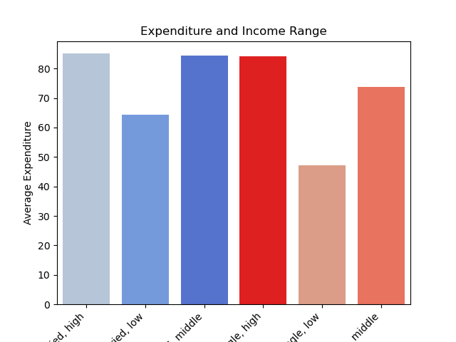
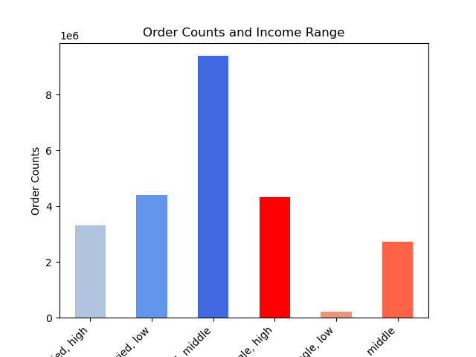

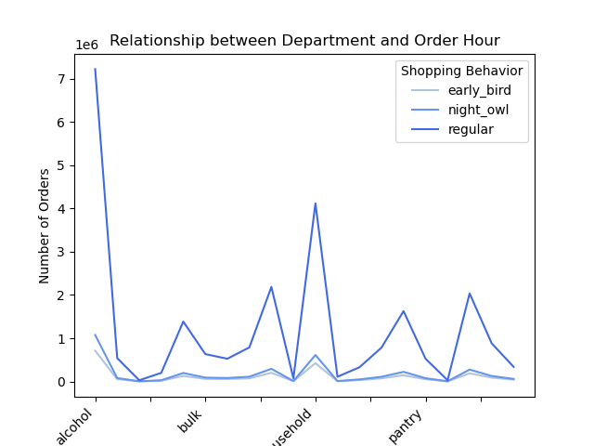
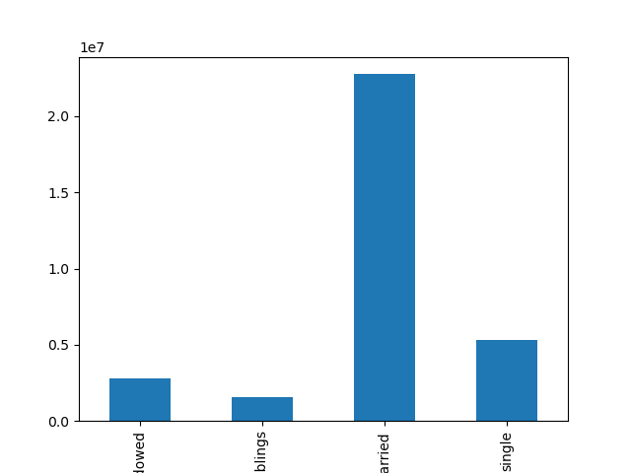

- Target 'Night Owls' with special promotions during late hours to encourage higher spending.
- Provide exclusive deals for high and middle-income buyers to retain their loyalty.
- Focus on budget-friendly products for low-income buyers and highlight family-oriented products for married, middle-income customers.

